Perceptron AND approximator
dC/db | W'(updated weight for next epoch) | b'(updated bias for next epopch
0.750 | 9.750 | 9.250
 | 9.750
...
Microsoft Excel - Training Result
0 | 12.50001
1 | 11.81253
2 | 11.12508
3 | 10.43767
4 | 9.75037
5 | 9.06330
6 | 8.37670
7 | 7.69109
8 | 7.00757
9 | 6.32835
10 | 5.65777
11 | 5.00366
12 | 4.37807
...
0.750 | 9.500 | 8.500
 | 9.500
...
0.750 | 9.250 | 7.750
 | 9.250
...
0.750 | 9.000 | 7.000
 | 9.000
...
0.750 | 8.750 | 6.250
 | 8.750
...
0.750 | 8.500 | 5.501
 | 8.500
...
0.749 | 8.250 | 4.752
 | 8.250
...
0.748 | 8.000 | 4.004
 | 8.000
...
0.746 | 7.750 | 3.259
 | 7.750
...
0.741 | 7.500 | 2.518
 | 7.500
...
dC/db | W'(updated weight for next epoch) | b'(updated bias for next epopch
0.731 | 7.250 | 1.786
 | 7.250
...
dC/db | W'(updated weight for next epoch) | b'(updated bias for next epopch
0.714 | 7.000 | 1.072 | Expected outcome
 | 7.000
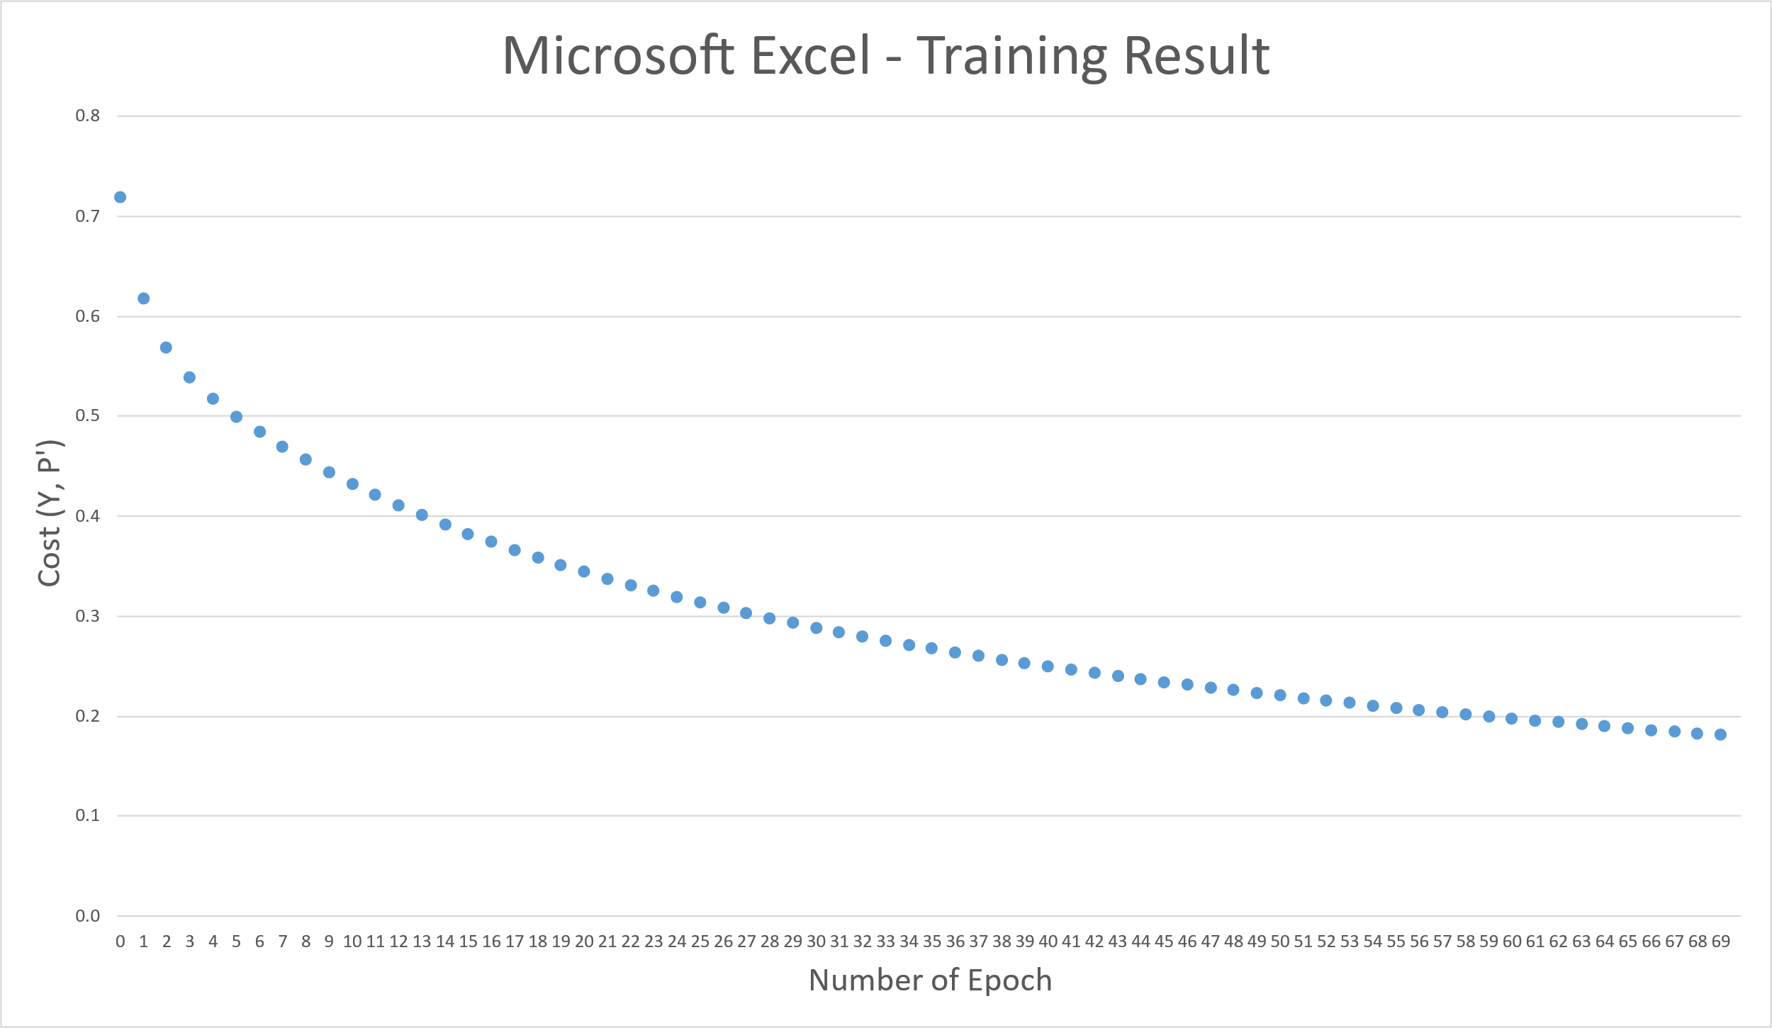
...
dC/db | W'(updated weight for next epoch) | b'(updated bias for next epopch
0.686 | 6.750 | 0.386
 | 6.750
...
dC/db | W'(updated weight for next epoch) | b'(updated bias for next epopch
0.648 | 6.500 | -0.262
 | 6.500
...
dC/db | W'(updated weight for next epoch) | b'(updated bias for next epopch
0.608 | 6.251 | -0.870
 | 6.251
...
dC/db | W'(updated weight for next epoch) | b'(updated bias for next epopch
0.572 | 6.002 | -1.441
 | 6.002
...
dC/db | W'(updated weight for next epoch) | b'(updated bias for next epopch
0.543 | 5.755 | -1.984
 | 5.755
...
dC/db | W'(updated weight for next epoch) | b'(updated bias for next epopch
0.519 | 5.510 | -2.503
 | 5.510
...
dC/db | W'(updated weight for next epoch) | b'(updated bias for next epopch
0.495 | 5.272 | -2.998
 | 5.272
...
dC/db | W'(updated weight for next epoch) | b'(updated bias for next epopch
0.465 | 5.045 | -3.463
 | 5.045
...
dC/db | W'(updated weight for next epoch) | b'(updated bias for next epopch
0.422 | 4.838 | -3.885
 | 4.838
...
dC/db | W'(updated weight for next epoch) | b'(updated bias for next epopch
0.365 | 4.659 | -4.251
 | 4.659
...
dC/db | W'(updated weight for next epoch) | b'(updated bias for next epopch
0.302 | 4.510 | -4.553
 | 4.510
...

